Inconvinient working hours
TEMPORARY MANUAL TEMPLATE - INCONVENIENT WORKING HOURS
Inconvenient working hours
Name:
Social security number:
 |  |  |  |  |  | Supporting text in Primula
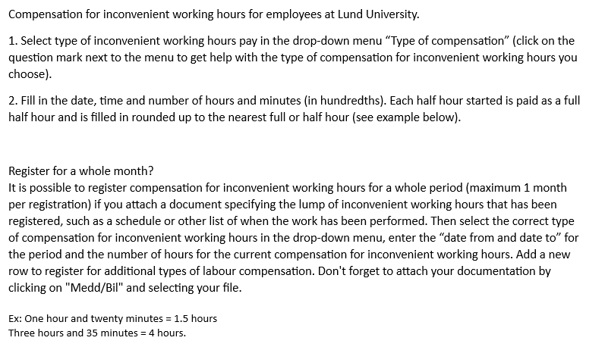
 | Weekday evening inconvenient hours pay | Weekday night inconvenient hours pay | Weekend day/evening inconvenient hours pay | Weekend night inconvenient hours pay | Major weekend inconvenient hours pay
Date from
Time from
Date tom
Time to
Number of hours
Other information
Date from
Time from
Date tom
Time to
Number of hours
Other information
Date from
Time from
Date tom
Time to
Number of hours
Other information
Date from
Time from
Date tom
Time to
Number of hours
Other information
Date from
Time from
Date tom
Time to
Number of hours
Other information
Date from
Time from
Date tom
Time to
Number of hours
Other information
Date from
Time from
Date tom
Time to
Number of hours
Other information

